Q-1
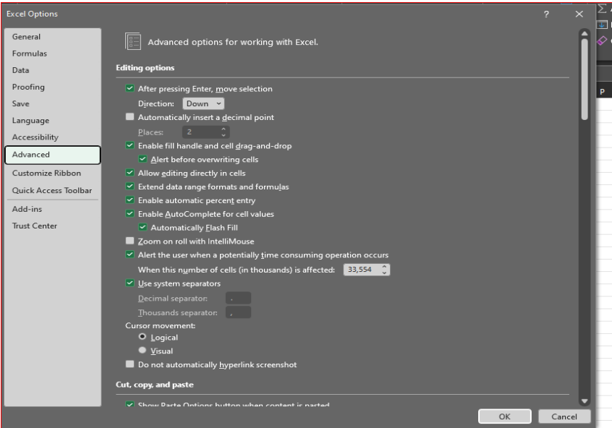
Q-1 What do you mean by AutoComplete feature in Excel and what are the benefits of using this feature?
◊ AutoComplete helps you quickly insert functions and arguments while minimizing typing and syntax errors.
The AutoComplete menu shows available options based on context and can choose what want to insert into a formula.

◊ Click File → Options. Click Advanced, and then under Editing options, select or clear the Enable AutoComplete for cell values check box to turn this option on or off.

Q-2
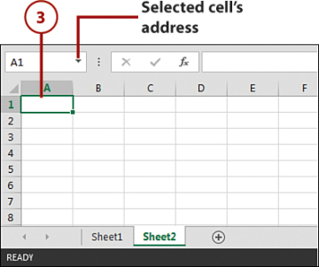
Q-2 Explain working with workbooks and working with cells.
◊ An Excel file, often referred to as a workbook, contains one or more spreadsheets, or worksheets. Each box in the worksheet area is referred to as a cell.
Each cell has a cell address, which is composed of a column reference and a row reference.

◊ Explore Worksheets :
1- Open Excel and open a new Blank workbook.
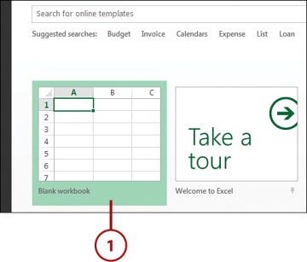

2- The workbook opens with one worksheet called Sheet1. This worksheet contains cells you can use to start entering and editing data.

3- Click the plus icon to add a new worksheet

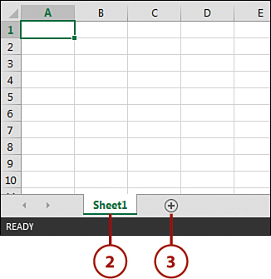

4- The new worksheet is added and named Sheet2. Each time you add a worksheet, Excel gives the worksheet a default name of Sheet XX,
where XX is the next sequential number.
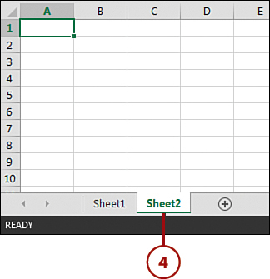

◊ Explore Columns, Rows, and Cells:
1- Click the column reference and observe how the entire column is selected.
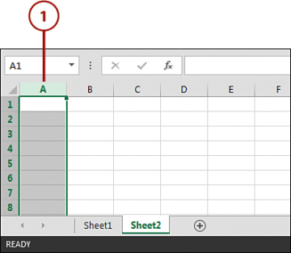

2- Click the row reference and observe how the entire row is selected

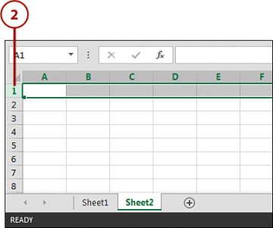

3- Click the cell intersecting at column A and row 1. You can select a single cell on the worksheet area.

Q-4
Q-4 Give some examples of using the fill handle.

Let’s first understand where is the fill handle in Excel.

Suppose you have the data as shown below:
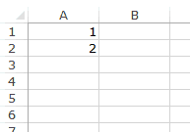

◊ Here are the steps to use the fill handle to quickly insert numbers up to 20.

▪Select the data set.
▪Hover the mouse over the bottom-right edge of the selection, you would see a plus icon appear

▪ Click the left button on the mouse and drag it down. Excel identifies a pattern of the first 2 numbers (an increment of 1) and uses that to fill that entire series.

Q-5

Q-5 Describe flash fill and what the different ways to access the flash fill are.
◊ Usually Flash Fill starts automatically, and you only need to provide a pattern. Here's how:
□ Insert a new column adjacent to the column with your source data.
□ In the first cell of a newly added column, type the desired value.
□Start typing in the next cell, and if Excel senses a pattern, it will show a preview of data to be auto-filled in the below cells.
□ Press the Enter key to accept the preview. Done!

